ESS
NEW CONNECTED COMMERCIAL LOADS: |  |  |  |  |  |  |  |  | PROJECTED LOADS:
Enter Load Type. Use drop down in each cell to change type | New Connected Load KW | NEC Projected KW if Available | amps | volts | hrs/week | weeks/yr | Comments | Default Diversification Value for Load Type | Diversification Factor (note corporate defaults are loaded) | KW New Diversified | KVA Diversified NEW | KWHrs/Yr Added |  |  |  | AC Loads KW | Heat Loads KW
Total Commercial and Common
A/C | - | - | - | 0 | - | 16 |  | 75% | 75% | - | - | - |  |  |  | - | -
Receptacles | - | - | - | 0 | - | 52 |  | 10% | 10% | - | - | - |  |  |  | - | -
Miscellaneous/Other Not Specified | - | - | - | 0 | - | 52 |  | 50% | 50% | - | - | - |  |  |  | - | -
Heating including Heat Pumps | - | - | - | 0 | - | 36 |  | 75% | 75% | - | - | - |  |  |  | - | -
Heating including Heat Pumps | - | - | - | 0 | - | 36 |  | 75% | 75% | - | - | - |  |  |  | - | -
Lighting | - | - | - | 0 | - | 52 |  | 100% | 100% | - | - | - |  |  |  | - | -
Spec. Equipt (Welding/X-Ray/Elevators etc) | - | - | - | 0 | - | 52 |  | 30% | 30% | - | - | - |  |  |  | - | -
A/C | - | - | - | 0 | - | 16 |  | 75% | 75% | - | - | - |  |  |  | - | -
Heating - Water | - | - | - | 0 | - | 52 |  | 60% | 60% | - | - | - |  |  |  | - | -
Motor Loads General Purpose | - | - | - | 0 | - | 52 |  | 30% | 30% | - | - | - |  |  |  | - | -
Miscellaneous/Other Not Specified | - | - | - | 0 | - | 52 |  | 50% | 50% | - | - | - |  |  |  | - | -
Refrigeration | - | - | - | 0 | - | 52 |  | 50% | 50% | - | - | - |  |  |  | - | -
Spec. Equipt (Welding/X-Ray/Elevators etc) | - | - | - | 0 | - | 52 |  | 30% | 30% | - | - | - |  |  |  | - | -
Spec. Equipt (Welding/X-Ray/Elevators etc) | - | - | - | 0 | - | 52 |  | 30% | 30% | - | - | - |  |  |  | - | -
Use for Spacing Only | - | - | - | 0 | - | 52 |  | 0% | 0% | - | - | - |  |  |  | - | -
Use for Spacing Only | - | - | - | 0 | - | 52 |  | 0% | 0% | - | - | - |  |  |  | - | -
Total Commercial and Common | - | - | - | 0 | - |  | Total Commercial and Common |  | Subtotal Commercial and Common | - | - | - | Commercial Load Amps | #N/A |  | - | -
Residential Loads |  |  |  |  |  |  |  |  |  |  |  | Multi Unit Diversity Factor | Not Applicable
Laundry | - | - | - | - | - | 52 |  | 50% | 50% | - | - | - | 1 |  |  | - | -
Lighting | - | - | - | - | - | 52 |  | 100% | 100% | - | - | - | APTs |  |  | - | -
A/C | - | - | - | - | - | 16 |  | 75% | 75% | - | - | - | 0 |  |  | - | -
Heating including Heat Pumps | - | - | - | - | - | 36 |  | 75% | 75% | - | - | - |  |  |  | - | -
Motor Loads General Purpose | - | - | - | - | - | 52 |  | 30% | 30% | - | - | - |  |  |  | - | -
Motor Loads Semi Continuous | - | - | - | - | - | 52 |  | 50% | 50% | - | - | - |  |  |  | - | -
Receptacles | - | - | - | - | - | 52 |  | 10% | 10% | - | - | - |  |  |  | - | -
Refrigeration | - | - | - | - | - | 52 |  | 50% | 50% | - | - | - |  |  |  | - | -
Subtotal Apartments-Non Heat | - | - | - | - | - |  | SUBTOTAL APT-NON Heat |  | Subtotal Apartments-Non Heat | - | - | - |  |  |  | - | -
A/C | - | - | - | - | - | 16 | 0 | 75% | 75% | - | - | - |  |  |  | - | -
Heating including Heat Pumps | - | - | - | - | - | 36 | 0 | 75% | 75% | - | - | - |  |  |  | - | -
Subtotal Apartments-Heat and A/C | - | - | - | - | - |  | SUBTOTAL APT-HEAT |  | Subtotal Apartments-Heat and A/C | - | - | - |  |  |  | - | -
Total New Connected Load | - | - | - | - | - |  | TOTAL RESIDENTIAL LOADS |  | TOTAL RESIDENTIAL LOADS | - | - | - | Apt/Res Load Amps | #N/A
 |  | - | - | - |  |  |  |  |  |  |  |  | KW per Apt | #DIV/0! |  | - | -
Total New Connected Load | - | - | - | -
 |  |  |  |  |  |  |  |  |  | KW | KVA
Completed by |  |  |  |  |  |  |  |  | Total Projected NEW Loads taking only Peak A/C or Peak Heat | - | - |  | Voltage | #N/A
Brief Description of Project or Additional Comments |  |  |  |  |  |  |  |  | Existing KW Demand from THIS Customer to be included with upgrade |  | 0 |  | Phase | #N/A | % Amps on Main
Additional Comments by ESA |  |  |  |  |  |  |  |  | Expected Demand on This Transformer from THIS customer | - | - |  | Amps | #N/A | #N/A
 |  |  |  |  |  |  |  |  | Additional KW load from OTHER customers served from this transformer |  | 0 |  | Power Factor | 0.95
 |  |  |  |  |  |  |  |  | Total Load on this Transformer | - | - |  | Watts/SqFt | #DIV/0!

COPY FOR FP TASK: 16 |  |  |  | METERING QUICK VIEW: |  |  |  |  |  |  |  |  | Estimated KWH cost incl demand | $0.14
TRANSFORMER(S): |  |  |  | TOTAL METER COUNT: |  | 0 | IF LARGE # OF METERS ARE NEEDED, CONTACT METER DEPT SUPERVISOR |  |  |  |  |  | Deposit (2 Month Basis)-Commerical only
0 * U3TD3JFAPFE |  |  |  | NUMBER OF 3PH MTRS: |  | 0 |  |  |  |  |  |  | Expected KWH/YR NEW Commercial | -
50 KVA |  |  |  | NUMBER OF 1PH MTRS: |  | 0 |  |  |  |  |  |  | Estimated NEW annual Revenues Commercial | $-
D866243E |  |  |  | TOTAL APT COUNT: |  | 0
PADXMR 3P 300K 12GY/7.2 208Y/120P F NT E |  |  |  |  |  |  |  |  |  |  |  |  | Expected KWH/YR NEW Residential | -
 |  |  |  |  |  |  |  |  |  |  |  |  | Estimated NEW annual Revenues Residential | $-
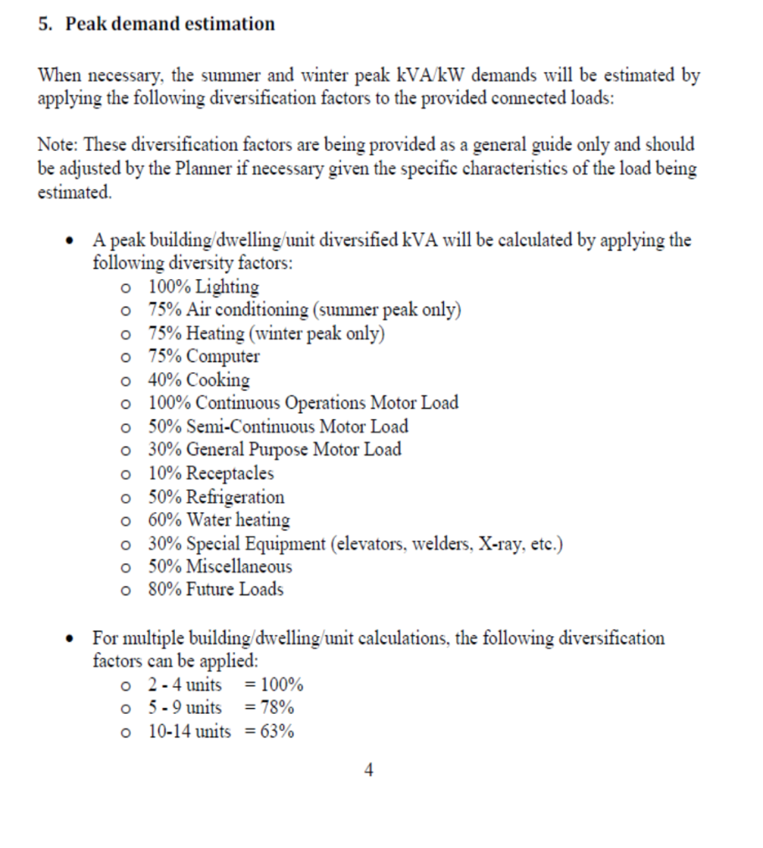
METERING:
#N/A

Multiple Unit Diversity | Diversification
10-14 Units | 63%
15-19 Units | 53%
20-24 Units | 49%
2-4 Units | 100%
25-29 Units | 46%
30-34 Units | 44%
35-39 Units | 42%
40-49 Units | 41%
50+ Units | 40%
5-9 Units | 78%
Not Applicable | 100%

